Sheet2
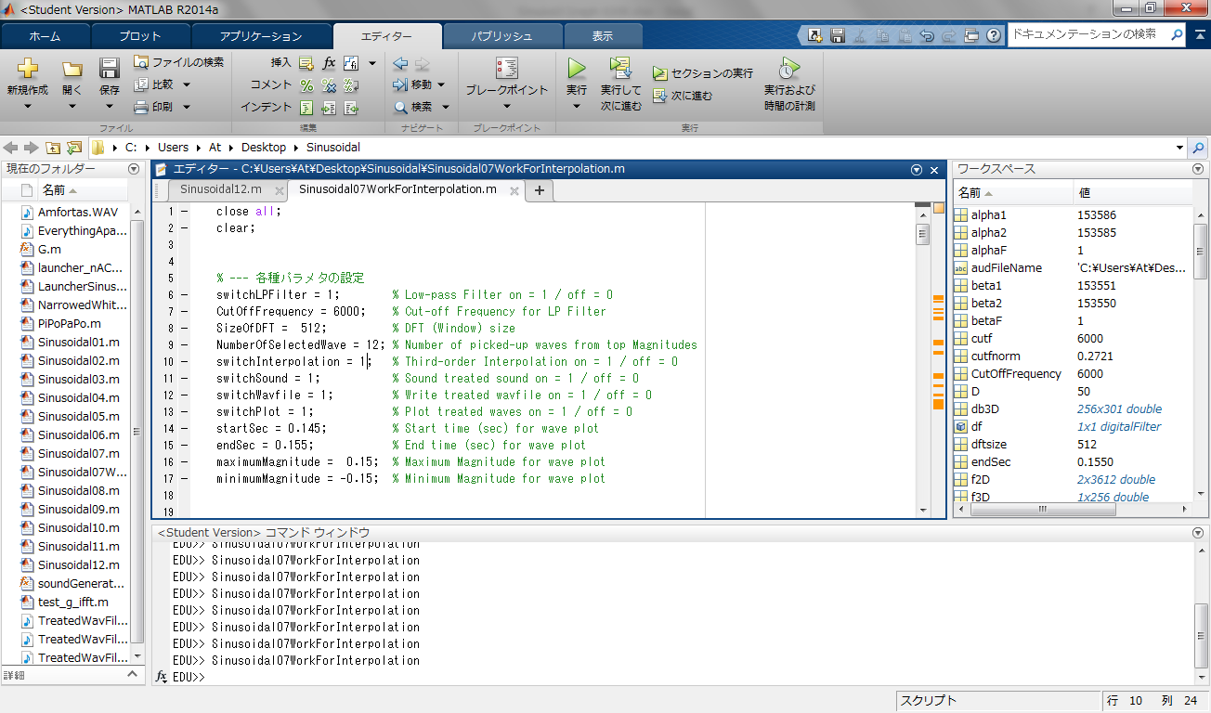
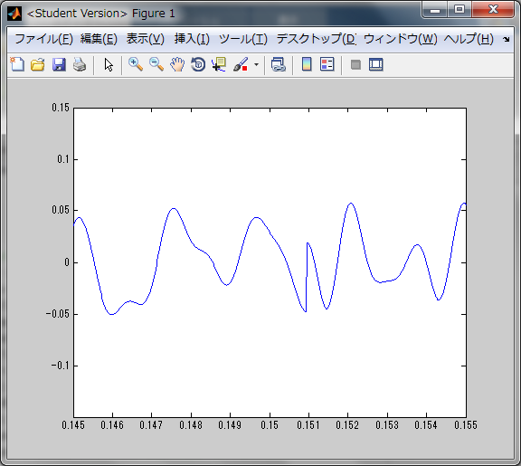


3次の補間前
3次の補間後

Cut-off Frequency = 6,000Hz DFT size = 512
Number of Top Magnitude = 12

